Sheet5
Kota | Mandalay
Sum of Quantity by Product line
 | Total
Electronic accessories | 971
Fashion accessories | 902
Food and beverages | 952
Health and beauty | 854
Home and lifestyle | 911
Sports and travel | 920
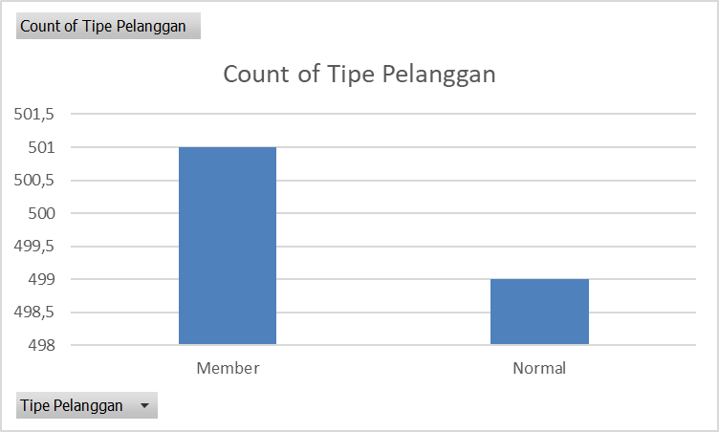
Row Labels | Average of Rating | StdDev of Quantity
Electronic accessories | 7.3 | 2.790315141
Fashion accessories | 7.2857142857 | 2.8752026117
Food and beverages | 6.5555555556 | 2.9485382058
Health and beauty | 5.6666666667 | 3.018929154
Home and lifestyle | 7 | 2.6668792432
Sports and travel | 7.5714285714 | 2.9744194071
Grand Total | 6.8510638298 | 2.8964461849

 | Female | Male
Member | 261 | 240
Normal | 240 | 259
Sum of Quantity by Payment
 | Female | Male
Cash | 178 | 166
Credit card | 163 | 148
Ewallet | 160 | 185
Count of Invoice ID | Column Labels
Row Labels | Female | Male | Grand Total
Member | 261 | 240 | 501
Normal | 240 | 259 | 499
Grand Total | 501 | 499 | 1000

Sheet9
Count of Invoice ID | Column Labels
Row Labels | Female | Male | Grand Total
Member | 261 | 240 | 501
Normal | 240 | 259 | 499
Grand Total | 501 | 499 | 1000

Sheet4
Sum of Quantity by Payment
Count of Invoice ID | Gender
Payment | Female | Male
Cash | 178 | 166
Credit card | 163 | 148
Ewallet | 160 | 185

